optimization
Fitting of the Bartlett-Lewis model with six parameters |  |  |  |  |  |  |  | Equations used for the modelled statistics (simulated values)
1. Set historical values (see other sheets)
2. Set bounds of solution (lower and upper constraint) |  |  |  | The upper bound of alpha should not be increased
3. Set weights for the error functions |  |  |  | This is because HYETOS interpretes values a >=100 as an instruction to use a 5-parameter model
4. Use solver to obtain parameter values

Parameter | lamda | kapa | phi | alpha | ni | mi_X | sigma_X
 | λ | κ = β/η | φ = γ/η | α | ν | μX | σX
Unit | d-1 | (-) | (-) | (-) | d | mm d-1 | mm d-1
Value | 0.13759456964 | 0.14914963023 | 0.024935806919 | 60.991087185 | 1.7365862409 | 63.350121726 | 63.350121726
Lower constraint | 0.0000001 | 0.0000001 | 0.000001 | 0.000001 | 0.0000001 | 0.0000001
Upper constraint | 99 | 99 | 99 | 99 | 99 | 99
Second unit | h-1 | (-) | (-) | (-) | h | mm h-1
Value for second unit | 0.0057331070684 | 0.14914963023 | 0.024935806919 | 60.991087185 | 41.678069781 | 2.6395884053

Statistic | Unit | Time scale [d] | Historical Value | Simulated Value | Relative error | Weight | Weighted square error
Mean | mm | 0.041666666667 | 0.073611111111 | 0.073398324368 | -0.0028906878377 | 10 | 8.356076175E-05
Variance | mm2 | 0.041666666667 | 0.28485130829 | 0.28161573562 | -0.01135881272 | 1 | 0.00012902262641
Lag 1 autocovariance | mm2 | 0.041666666667 | 0.14750749923 | 0.1379351687 | -0.064893856801 | 1 | 0.0042112126504
Proportion dry | (-) | 0.041666666667 | 0.94847670251 | 0.94463550627 | -0.0040498582925 | 1 | 1.6401352189E-05
Mean | mm | 1 | 1.7634408602 | 1.7615597848 | -0.0010667073886 | 10 | 1.1378646529E-05
Variance | mm2 | 1 | 25.927304853 | 25.481293671 | -0.017202373519 | 1 | 0.00029592165468
Lag 1 autocovariance | mm2 | 1 | 8.9277019722 | 7.7213885941 | -0.13512025625 | 1 | 0.018257483648
Proportion dry | (-) | 1 | 0.77956989247 | 0.75706193448 | -0.028872277156 | 1 | 0.00083360838816
Mean | [mm] | 2 | 3.5268817204 | 3.5231195696 | -0.0010667073886 | 10 | 1.1378646529E-05
Variance | mm2 | 2 | 56.999812997 | 66.40536453 | 0.16501021738 | 1 | 0.027228371839
Lag 1 autocovariance | mm2 | 2 | 15.035746692 | 15.59164229 | 0.036971599074 | 1 | 0.0013668991381
Proportion dry | (-) | 2 | 0.68817204301 | 0.65949753078 | -0.041667650583 | 1 | 0.0017361931051
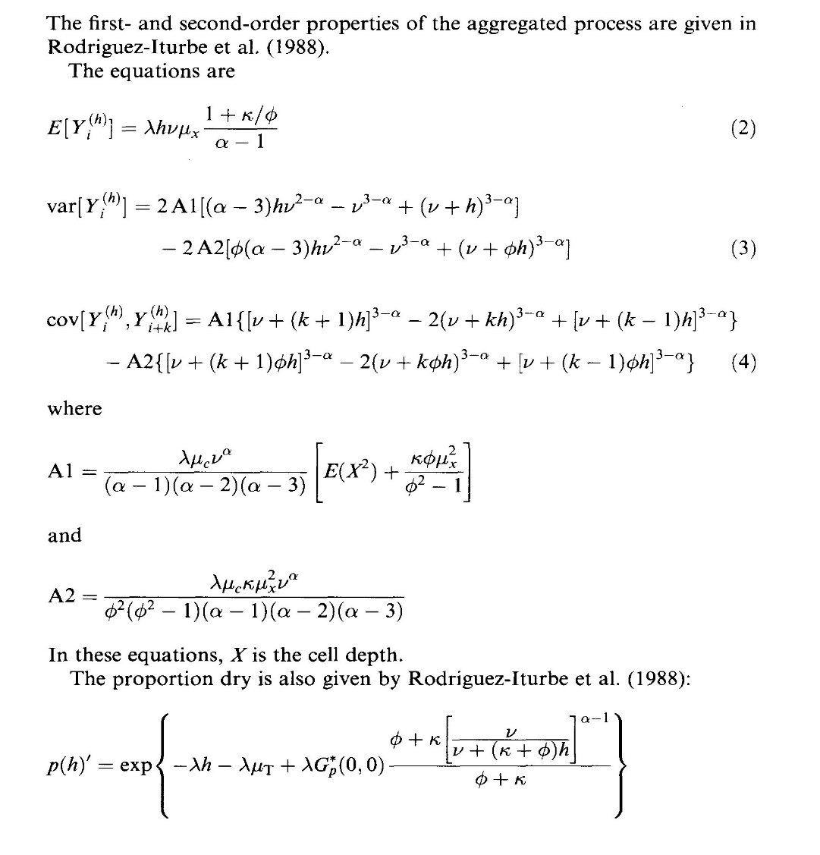
 |  |  |  |  | Sum of weighted squared errors |  | 0.23276905391

This line is pasted (values) to line 10 for a new iteration
 | 0.086749489002 | 0.13719631609 | 0.034293567887 | 41.973046097 | 2.3912828117 | 94.284898682

